Test Example
Test Case Name: | Attempt to buy a negative quantity of Oil

Preconditions: | The User Is Logged in and has available funds for transactions | Impact
 | The User has navigated to the homepage of the Ensek Website | High
 |  | Automation Complexity
Test Steps: | 1. The user clicks buy energy on the home page | Easy
 | 2. The user enters a negative whole number into the "Number of Units required" textbox for Oil | Is Automated?
 | 3. The User clicks the buy button in the Oil row of the table.

Expected Result: | The user is informed that the transaction has failed.
 | The users balance should remain unchanged
 | Oils quantity should remain unchanged

Actual Result: | The user is informed that the transaction was successful
 | The users balance may have changed? This is not implemented in the test project
 | The quantity of Oil has increased. This is confirmed when viewing oils quantity on the buy page aswell.

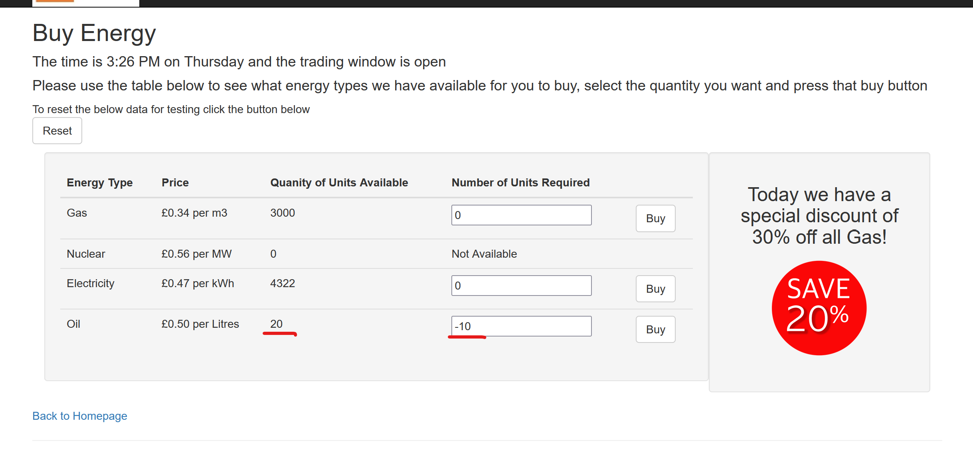
Screenshot before
pressing buy:

Screenshots after
pressing buy:

Api Bugs
Test | Status | Issue | Details
Reset Data Test | Failed | Returns Unauthorized Error. | I'm assuming I need an access token. I've attempted to pass the login access_token into the body through an api call but this fails with the same error.
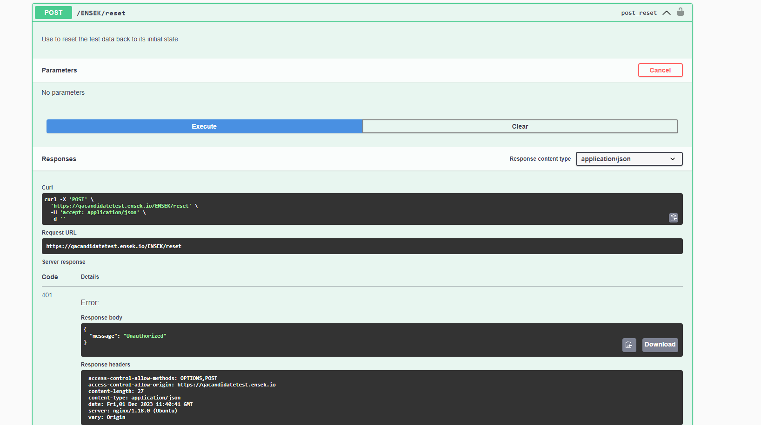

Buy Gas | Failed | The Purchased Units and Quantity Left values are both swapped. Purchase should show 10, and quantity remaining be 2760 | This has been confirmed by called the energy api call and seeing there is over 2000 units left, not 10

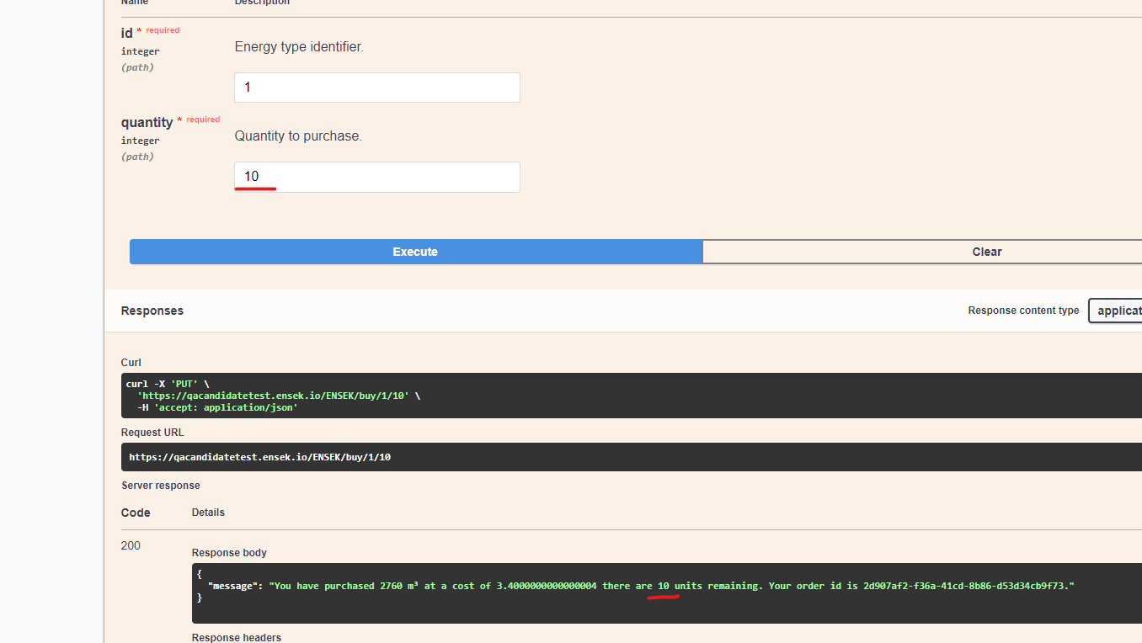

Buy Electricity | Failed | The Cost has too many decimal places when calculated from the energy cost from the energy api call (Pennies is smallest size). | This would be misleading to customers
Buy Nuclear | Passed (Automation fail) | Not a bug. No nuclear fuel available but the automation test is designed with the intention data will be present. | May need a special scenario to check when no fuel available?

VerifyOrdersTest | Passed | The Order ids created were found in the list. Nuclear is not verified as unable to create an order for nuclear energy. | Did not verify the data of each order, was outside the tests scope but would be added in a real scenario
Order Ids older than todays date | Passed | No Verification checks as the value is dynamic but on 01/12/2023 there were 86 orders older (not including) that date. | Needs something more solid to verify. E.G. Would need a clean environment and a non parallel test to check this criteria.

Read Specific Gas Order | Failed | Returns an Internal Server Error | Error implying the feature isnt implemented.
Deleting specific Order Id returns internal Error | Failed | Returns an Internal Server Error | Error implying the feature isnt implemented.

